Sheet1
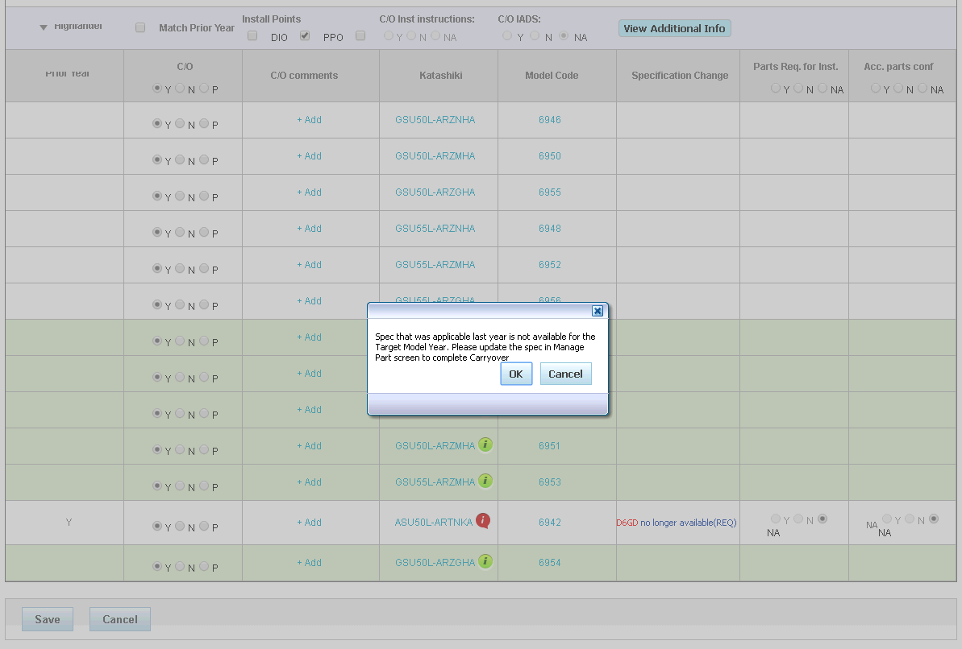
Accessory ID | ENCV16-0003

Part ID | PT936-48161

Katashiki | ASU50L-ARTNKA

Requirement | D6GD-FUEL CAP FOR MIPPEI TANK

Planning C/O | Checked

DE | Checked

Sheet2
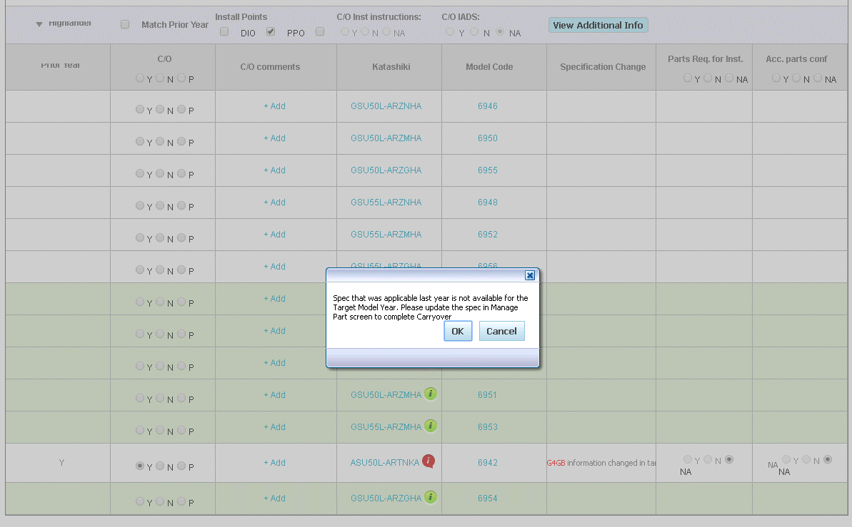
Accessory ID | FLCP16-0001

Part ID | PT211-48160

Katashiki | ASU50L-ARTNKA(1AR-FE | 6AT-F | 7WGN | A | FF | LHD | N | USA)

Requirement | G4GB | Discription changed

Planning C/O | Checked

DE | Not C/o | Overide Tab No appearing

